Fertility Management Tool
 |  |  |  |  |  |  |  |  |  |  |  |  | Enter Manure Nutrient Content
 | Field Unit ID - |  |  |  |  |  |  |  |  |  |  |  | lbs/ 1,000 gallons
 | Field Unit Size - |  | acres ("spreadable" area) |  |  |  |  |  |  |  | Avail N.5 |  | Ammonia N | Org. N | P2O5 | K2O
 | Date - |  |  | (Enter Date of Manure Application) |  |  |  |  |  |  | 0.00
Manure Source- |  |  |  |  |  | Manure Type - | Liquid Manure
 | Notes - |  |  |  |  |  |  |  |  |  |  | Manure Application Timing/Method
 |  |  |  |  |  |  |  |  |  |  | Timing |  | Incorporation Method
 |  |  |  |  |  |  |  |  |  |  | Nov-Feb |  | Incorporated 3 to 5 days after application

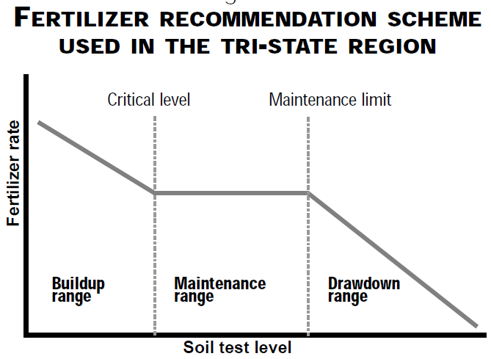
 |  | Field Soil Test Information |  |  | "Tri-State" Fertilizer Recommendation Scheme1 |  |  |  |  | 5For manure N availability, refer to OSU Extension Bulletin 604, Ohio Livestock Manure Management Guide (2006).
 |  | Value | Units | Soil Test 2 | Critical Level 2,3 | Maintenance Limit 2,3 | Soil Test Level Range 2,3
 | Phosphorous (P) |  | ppm | Bray-Kurtz P1 | 15 | 30 | Buildup
 | Potassium (K) |  | ppm |  | 75 | 75 | Buildup
Cation Exchange Capacity (CEC) |  |  | meq/100g

Soil Test Date |  | 13-Oct-18

NRCS P Soil Test Risk Assessment 2,4 = |  |  | Low | Potential Risk for P movement from the field
 | 1Agronomic fertility sufficiency ranges based on Extension Bulletin E-2567, Tri-State Fertilizer Recommendations For Corn, Soybeans, Wheat, and Alfalfa (2000). For organic nutrients, refer to NRCS Practice Standard 590 (November 2012) for environmental limits to determine risk for P movement from the field.
 | 2Relationship between Mehlich-3 ICP and Bray-Kurtz P1 soil test P values assumed to follow the linear relationship described in OSU Fact Sheet #ANR-75, "Converting between Mehlich-3, Bray P, and Ammonium Acetate Soil Test Values", June 14 2019. Note that both current Tri-State Fertilizer Recommendations and NRCS 590 are based on Bray P1 soil test values.
 | 3In a multi-crop rotation, the higher Critical Level, Maintenance Limit, and Soil Test Range is shown.
 | 4Refer to NRCS 590 (2012) for Phosphorous Soil Test Risk Assessment Procedures for organic nutrients.

Enter the yield goal (bu/ac or ton/ac) for each crop to be fertilized during the planning period, beginning with the First Year. Enter yield goal for only one crop per year column, unless a "double crop" is planned. |  |  |  |  |  |  |  |  | Additional Fertilizer Needed to Meet Nutrient Recommendations6,7
 |  |  |  |  |  | Planning Period = | 0 | years
Crop |  |  |  | First Year (next crop) | Year No. 2 | Year No. 3 | Year No. 4 | Year No. 5 |  |  |  |  |  | 0 | lbs/ac Anhydrous (82-0-0)
Corn Grain (bu/ac) |  |  |  |  |  |  |  |  |  | 0 | lbs/ac N |  |  | or
Corn Grain (after legumes) (bu/ac) |  |  |  |  |  |  |  |  |  |  |  |  |  | 0 | gal/ac of UAN (28-0-0)
Corn Grain w/ stover removal (bu/ac) |  |  |  |  |  |  |  |  |  |  |  |  |  | or
Corn Grain w/ stover removal (after legumes) (bu/ac) |  |  |  |  |  |  |  |  |  |  |  |  |  | 0 | lbs/ac of Urea (46-0-0)
Silage Corn (35% DM) (tons/ac)
Silage Corn (after legumes) (35% DM) (tons/ac)
Soybeans (bu/ac) |  |  |  |  |  |  |  |  |  | 0 | lbs/ac P2O5 |  |  | 0 | lbs/ac of MAP 8 (11-52-0)
Soybeans w/ stover removal (bu/ac) |  |  |  |  |  |  |  |  |  |  |  |  |  | or
Wheat (grain only) (bu/ac) |  |  |  |  |  |  |  |  |  |  |  |  |  | 0 | lbs/ac of DAP 8 (18-46-0)
Wheat (grain and straw) (bu/ac)
Alfalfa (100% DM) (tons/ac)
Grass forages (100% DM) (tons/ac) |  |  |  |  |  |  |  |  |  | 0 | lbs/ac K2O |  |  | 0 | lbs/ac of Potash (0-0-60)
 | Single Year |  | Single Year
 | First Year Nutrient Removal 6 (lbs/ac) |  | Planning Period Crop Nutrient Removal 6 (lbs/ac) |  |  | Fertility Recommendations 6 |  |  |  | 6Reference Tri-State Fertilizer Recommendations and NRCS 590
 |  |  |  |  |  | Next Crop 7 (lbs/ac) | Planning Period7 (lbs/ac) |  |  | 7Nutrients assumed to be applied prior to First Year crop and are limited to the max. 1 year application rate as per NRCS 590. May need to apply additional nutrients later in planning period to fertlize for remaining years of crop rotation (refer to notes in red font above).
 | P2O5 |  | P2O5 | K20 |  | N | P2O5 | K20
 | 0 |  | 0 | 0 |  | 0 | 0 | 0 |  | 8MAP and DAP rates based on P content only, no N credit given.

 |  |  |  |  |  |  |  |  |  |  |  | Additional Fertilizer to be Applied prior to 1st Year Crop to Meet Nutrient Recs 7 (lbs/ac)
 | Limit to Max. | #DIV/0!
 | Allowable Rate | #DIV/0! |  |  |  | Manure Nutrients Applied (lbs/ac)

 |  |  | Manure Application Rate (gal/ac) = | 10,000 |  | Avail. N 5 | P2O5 | K2O |  |  |  | N (1st Yr) | P2O5 | K2O
 |  |  | Total Applied to Field Unit (gal) = | 0 |  | 0 | 0 | 0 |  |  |  | 0 | 0 | 0

 | Notes:

